Results
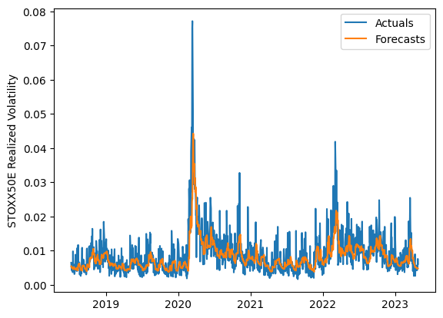
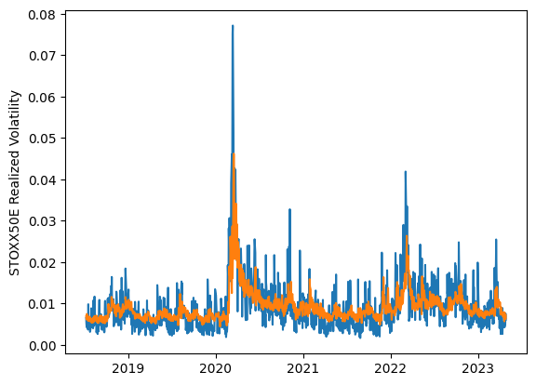
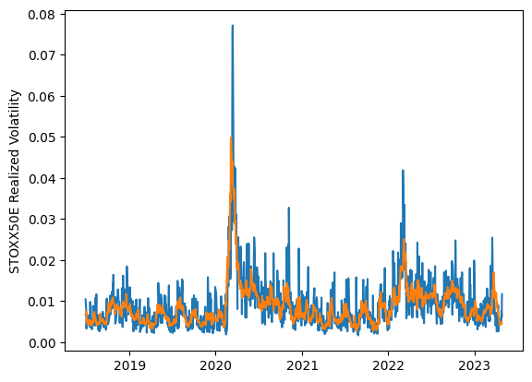
 | LSTM |  |  | TCN |  |  | NBEATSx |  |  |  |  | LSTM |  |  | TCN |  |  | NBEATSx
 | Accuracy | RMSE | Qlike | Accuracy | RMSE | Qlike | Accuracy | RMSE | Qlike |  |  | Accuracy | RMSE | Qlike | Accuracy | RMSE | Qlike | Accuracy | RMSE | Qlike
Trial 1 | 61.02% | 0.305% | 0.101 | 46.76% | 0.352% | 0.158 | 64.95% | 0.279% | 0.088 |  | Mean | 58.95% | 0.311% | 0.109 | 53.87% | 0.329% | 0.131 | 65.04% | 0.283% | 0.090
Trial 2 | 55.43% | 0.322% | 0.121 | 62.48% | 0.315% | 0.103 | 65.69% | 0.281% | 0.091 |  | Standard Deviation | 2.78% | 0.007% | 0.009 | 4.56% | 0.013% | 0.017 | 0.93% | 0.002% | 0.003
Trial 3 | 57.08% | 0.317% | 0.115 | 55.45% | 0.324% | 0.126 | 62.63% | 0.286% | 0.085 |  | 95% CI upper bound | 64.51% | 0.326% | 0.127 | 62.99% | 0.356% | 0.164 | 66.91% | 0.287% | 0.095
Trial 4 | 57.68% | 0.313% | 0.113 | 48.07% | 0.348% | 0.152 | 63.82% | 0.288% | 0.095 |  | 95% CI lower bound | 53.39% | 0.297% | 0.090 | 44.75% | 0.303% | 0.098 | 63.17% | 0.278% | 0.085
Trial 5 | 60.54% | 0.305% | 0.103 | 51.87% | 0.335% | 0.139 | 66.27% | 0.281% | 0.090 |  | 99.7% CI upper bound | 67.29% | 0.333% | 0.137 | 67.55% | 0.369% | 0.181 | 67.84% | 0.289% | 0.098
Trial 6 | 58.42% | 0.312% | 0.110 | 57.08% | 0.315% | 0.118 | 65.73% | 0.281% | 0.091 |  | 99.7% CI lower bound | 50.61% | 0.290% | 0.081 | 40.19% | 0.289% | 0.081 | 62.24% | 0.276% | 0.082
Trial 7 | 61.21% | 0.304% | 0.101 | 53.71% | 0.324% | 0.130 | 64.77% | 0.283% | 0.089
Trial 8 | 58.58% | 0.311% | 0.109 | 53.88% | 0.329% | 0.130 | 64.00% | 0.285% | 0.088
Trial 9 | 60.37% | 0.307% | 0.104 | 56.94% | 0.315% | 0.118 | 65.44% | 0.282% | 0.091
Trial 10 | 54.16% | 0.324% | 0.126 | 49.27% | 0.343% | 0.147 | 65.81% | 0.281% | 0.094
Trial 11 | 58.64% | 0.309% | 0.110 | 54.54% | 0.326% | 0.127 | 64.89% | 0.281% | 0.086
Trial 12 | 61.07% | 0.307% | 0.102 | 47.67% | 0.348% | 0.156 | 65.47% | 0.283% | 0.091
Trial 13 | 57.22% | 0.317% | 0.115 | 56.69% | 0.320% | 0.120 | 65.45% | 0.283% | 0.092
Trial 14 | 65.53% | 0.298% | 0.089 | 53.57% | 0.332% | 0.131 | 65.18% | 0.282% | 0.090
Trial 15 | 57.36% | 0.317% | 0.114 | 60.06% | 0.312% | 0.109 | 65.50% | 0.284% | 0.091

 | LSTM (best trial) |  |  |  |  |  |  |  |  | TCN (best trial) |  |  |  |  |  |  |  |  | NBEATSx (best trial)

